ACTIVE USERS
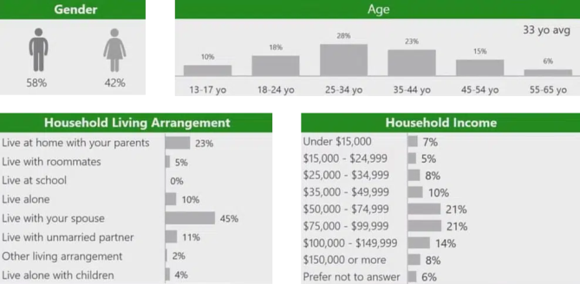
Active user of Xbox https://www.coolest-gadgets.com/xbox-statistics
Red Fall
#5
ACTIVE USERS OF STEAM |  |  |  |  | ACTIVE USERS OF PLAY STATION |  |  |  |  |  |  | ACTIVE USER OF XBOX
Serial no | Name | Current Players | Peak Players | Hours Played | Game Title | Hours Watched | Game on MAU | Reviews | Critic Score | Global Rank | Publisher | Character | Rank
1 | Counter-Strike 2 | 1225484 | 1,342,171 | 653128565 | Fortnite | 43.1M | #1 | 16 | 84/100 | 6 | Epic Games | Fortnite | #1
2 | Dota 2 | 645317 | 801,126 | 351640596 | Call of Duty | 8.4M | #2 | 139 | 77/100 | 30 | Activation Publishing | Call of Duty | #2
3 | PUBG: BATTLEGROUNDS | 593800 | 690,143 | 218226261 | EA sports Fc24 | 21.4M | #10 | 89 | 75/100 | 14 | Electronic Arts | G.T.A 5 | #3
4 | Banana | 398296 | 688,493 | 295941771 | G.T.A 5 | 135.8M | #5 | 138 | 92/100 | 1 | Rockstar Games | Minecraft | #4
5 | NARAKA: BLADEPOINT | 229391 | 326,026 | 96281087 | MineCraft | 25.5M | #4 | 44 | 90/100 | 4 | Mojang studios | Red Fall | #5
Active users of steam https://steamcharts.com/top
 | Current Players | Peak Players | Hours Played
Counter-Strike 2 | 1225484 | 1,342,171 | 653128565
Dota 2 | 645317 | 801,126 | 351640596
PUBG: BATTLEGROUNDS | 593800 | 690,143 | 218226261
Banana | 398296 | 688,493 | 295941771
NARAKA: BLADEPOINT | 229391 | 326,026 | 96281087
Active Users of Playstation https://newzoo.com/resources/rankings/top-ps5-games#:~:text=Fortnite%20was%20the%20top%20game,Rocket%20League%2C%20and%20NBA%202K
 | Global Rank
84/100 | 6
77/100 | 30
75/100 | 14
92/100 | 1
90/100 | 4
 |  |  |  |  |  |  |  |  |  |  |  |  |  | Xbox Statistics By Users

App store ,Google play
APPLE STORE DOWNLOADS(IN MN) |  | PLAY STORE DOWNLOADS(IN MN)
GAME | DOWNLOADS | GAME | DOWNLOADS
Monopoly Go | 49 | Subway Surfers | 181
Eggy Party | 48 | Roblox | 153
Roblox | 45 | Ludo King | 136
Royal Match | 43 | Candy Crush Saga | 124
PUBG Mobile | 42 | Block Blast | 112

APPLE STORE DOWNLOADS(IN MN)

PLAY STORE DOWNLOADS(IN MN)

